Bitwise Left Shift
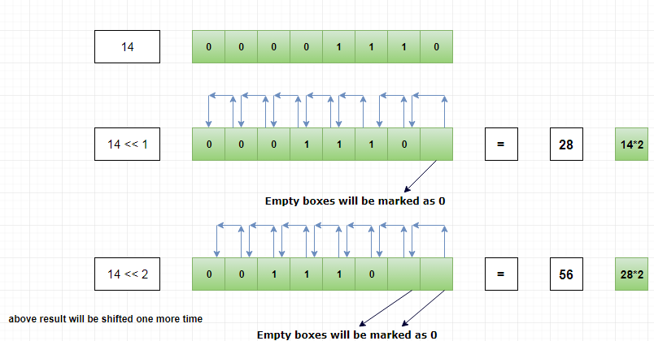
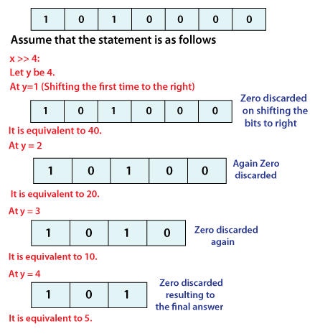

a=14 |  |  | 512 | 256 | 128 | 64 | 32 | 16 | 8 | 4 | 2 | 1
14 | 1110 |  |  |  |  |  |  |  | 1 | 1 | 1 | 0 | 14
 |  | a<<1 |  |  |  |  |  | 1 | 1 | 1 | 0 | 0 | 28 | 28
 |  | a<<2 |  |  |  |  | 1 | 1 | 1 | 0 | 0 | 0 | 56 | 56
 |  | a<<3 |  |  |  | 1 | 1 | 1 | 0 | 0 | 0 | 0 | 112 | 112
 |  | a<<4 |  |  | 1 | 1 | 1 | 0 | 0 | 0 | 0 | 0 | 224
 |  | a<<5 |  | 1 | 1 | 1 | 0 | 0 | 0 | 0 | 0 | 0 | 448
 |  | a<<6 | 1 | 1 | 1 | 0 |  |  |  |  |  |  | 896

Bitwise Right Shift
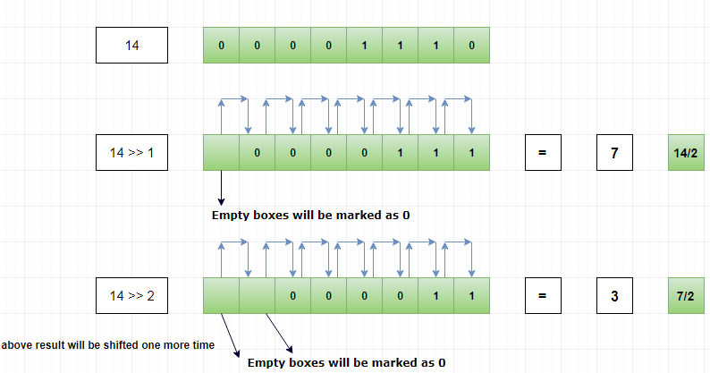

a=14 |  |  | 128 | 64 | 32 | 16 | 8 | 4 | 2 | 1
14 | 1110 |  |  |  |  |  | 1 | 1 | 1 | 0 | 14 | 14
 |  | a>>1 |  |  |  |  |  | 1 | 1 | 1 | 7 | 7
 |  | a>>2 |  |  |  |  |  |  | 1 | 1 | 3 | 3
 |  | a>>3 |  |  |  |  |  |  |  | 1 | 1

